L20 MCF (with arc cap)
Decision Variables | Amount Flow | Unit Cost
X14 | 800 | 25
X17 | 400 | 20
X27 | 100 | 30
X38 | 0 | 20
X39 | 100 | 15
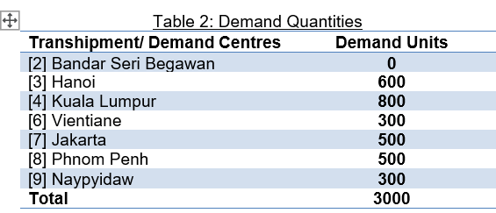
X48 | 0 | 20
X49 | 0 | 15
X56 | 300 | 20
X58 | 300 | 25
X59 | 200 | 30
X83 | 200 | 20
X102 | 100 | 50
X103 | 500 | 30
X108 | 400 | 20

 | Minimize Total Cost = | 84000

Net Flow Constraints | constraint equation LHS | LHS | Sign | RHS
Supply Node 1: | X14+X17=1200 | 1200 | = | 1200
Supply Node 5: | X56+X58+X59=800 | 800 | = | 800
Supply Node 10: | X102+X103+X108=1000 | 1000 | = | 1000
Transhipment Node 2: | X27-X102=0 | 0 | = | 0
Demand Node 3 | X38+X39-X83-X103=-600 | -600 | = | -600
Demand Node 4 | X48+X49-X14=-800 | -800 | = | -800
Demand Node 6: | -X56=-300 | -300 | = | -300
Demand Node 7: | -X17-X27=-500 | -500 | = | -500
Demand Node 8 | X83-X38-X58-X108=-500 | -500 | = | -500
Demand Node 9: | -X39-X49-X59=-300 | -300 | = | -300

Arc Capacity Constraints
Arc 10-3 | X103 <= 500 | 500 | <= | 500
Arc 5-9 | X59 <= 200 | 200 | <= | 200

L20 MCF (6a, S<D)
Decision Variables | Amount Flow | Unit Cost
X14 | 600 | 25
X17 | 400 | 20
X27 | 100 | 30
X38 | 0 | 20
X39 | 100 | 15
X48 | 0 | 20
X49 | 0 | 15
X56 | 300 | 20
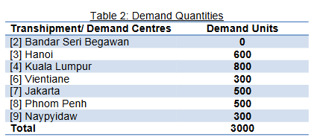
X58 | 300 | 25
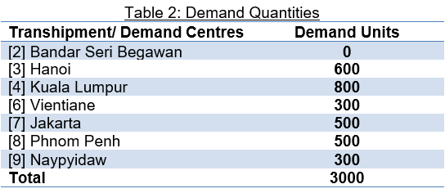
X59 | 200 | 30
X83 | 200 | 20
X102 | 100 | 50
X103 | 500 | 30
X108 | 400 | 20

 | Minimize Total Cost = | 79000

Net Flow Constraints | constraint equation LHS | LHS | Sign | RHS
Supply Node 1: | X14+X17=1000 | 1000 | = | 1000 | When supply (2800) < Demand (-3000),
Supply Node 5: | X56+X58+X59=800 | 800 | = | 800 | We change the demand node sign to ">="
Supply Node 10: | X102+X103+X108=1000 | 1000 | = | 1000
Transhipment Node 2: | X27-X102=0 | 0 | = | 0
Demand Node 3 | X38+X39-X83-X103=-600 | -600 | >= | -600
Demand Node 4 | X48+X49-X14=-800 | -600 | >= | -800
Demand Node 6: | -X56=-300 | -300 | >= | -300
Demand Node 7: | -X17-X27=-500 | -500 | >= | -500
Demand Node 8 | X83-X38-X58-X108=-500 | -500 | >= | -500
Demand Node 9: | -X39-X49-X59=-300 | -300 | >= | -300

Arc Capacity Constraints
Arc 10-3 | X103 <= 500 | 500 | <= | 500
Arc 5-9 | X59 <= 200 | 200 | <= | 200

L20 MCF (6b, S>D)
Decision Variables | Amount Flow | Unit Cost
X14 | 800 | 25
X17 | 400 | 20
X27 | 100 | 30
X38 | 0 | 20
X39 | 100 | 15
X48 | 0 | 20
X49 | 0 | 15
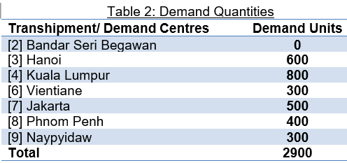
X56 | 300 | 20 |  |  |  | Supply > Demand
X58 | 200 | 25 |  |  |  | 3000 > 2900
X59 | 200 | 30
X83 | 200 | 20
X102 | 100 | 50
X103 | 500 | 30
X108 | 400 | 20

 | Minimize Total Cost = | 81500

Net Flow Constraints | constraint equation LHS | LHS | Sign | RHS
Supply Node 1: | X14+X17=1200 | 1200 | <= | 1200 | When supply (3000) > Demand (-2900),
Supply Node 5: | X56+X58+X59=800 | 700 | <= | 800 | We change the supply node sign to "<="
Supply Node 10: | X102+X103+X108=1000 | 1000 | <= | 1000
Transhipment Node 2: | X27-X102=0 | 0 | = | 0
Demand Node 3 | X38+X39-X83-X103=-600 | -600 | = | -600
Demand Node 4 | X48+X49-X14=-800 | -800 | = | -800
Demand Node 6: | -X56=-300 | -300 | = | -300
Demand Node 7: | -X17-X27=-500 | -500 | = | -500
Demand Node 8 | X83-X38-X58-X108=-400 | -400 | = | -400
Demand Node 9: | -X39-X49-X59=-300 | -300 | = | -300

Arc Capacity Constraints
Arc 10-3 | X103 <= 500 | 500 | <= | 500
Arc 5-9 | X59 <= 200 | 200 | <= | 200

